Subsea Pipeline WT Design
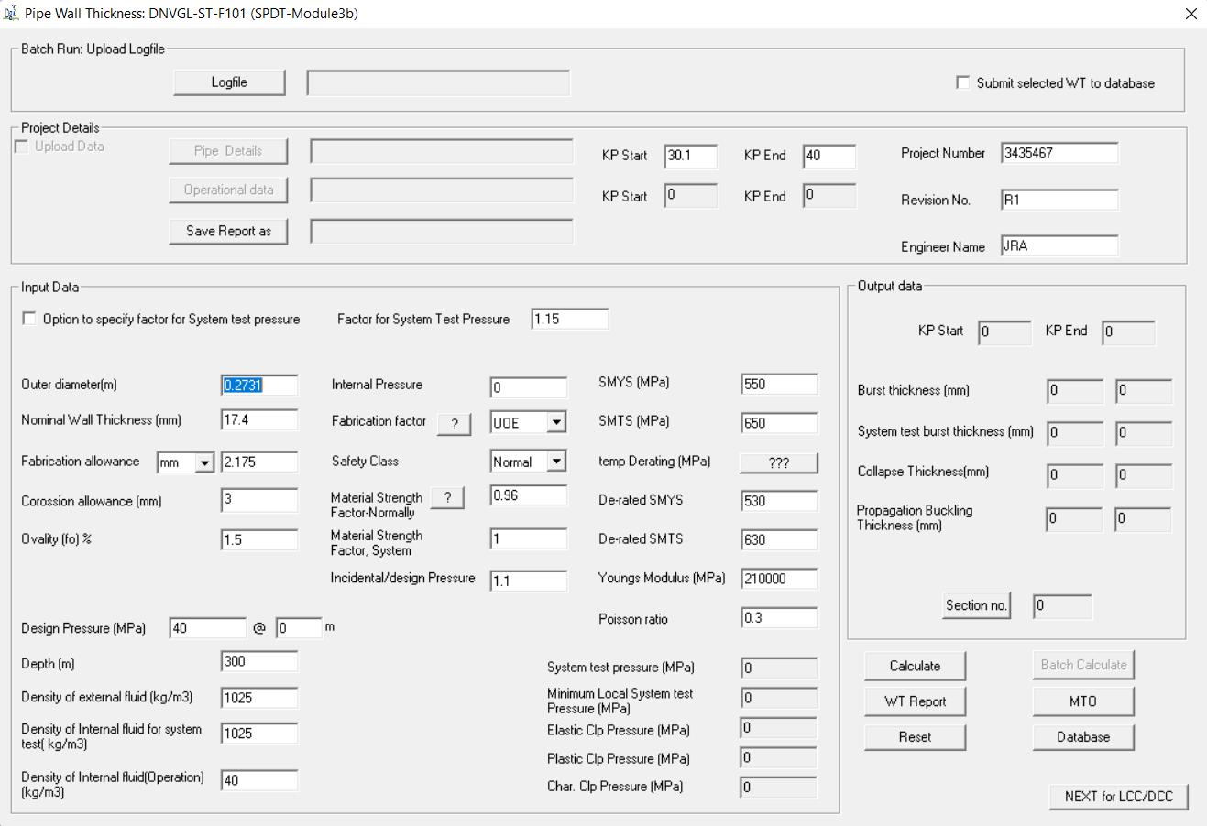
Subsea Pipe Wall Thickness(WT) Design

Use SPDT DNV-ST-OSF101 Module

Subsea Pipeline In-Place Design
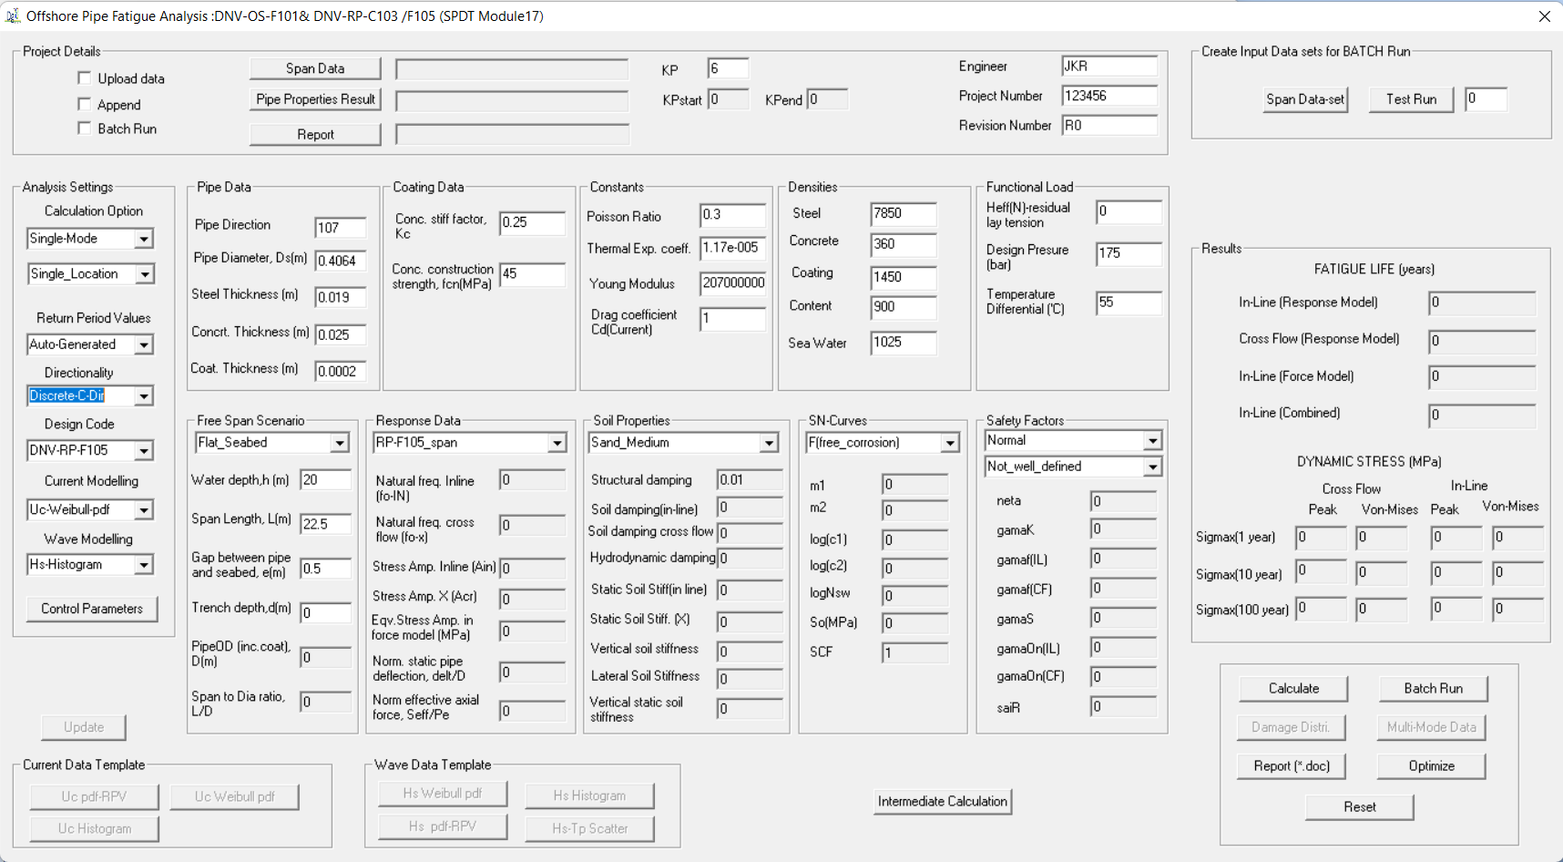
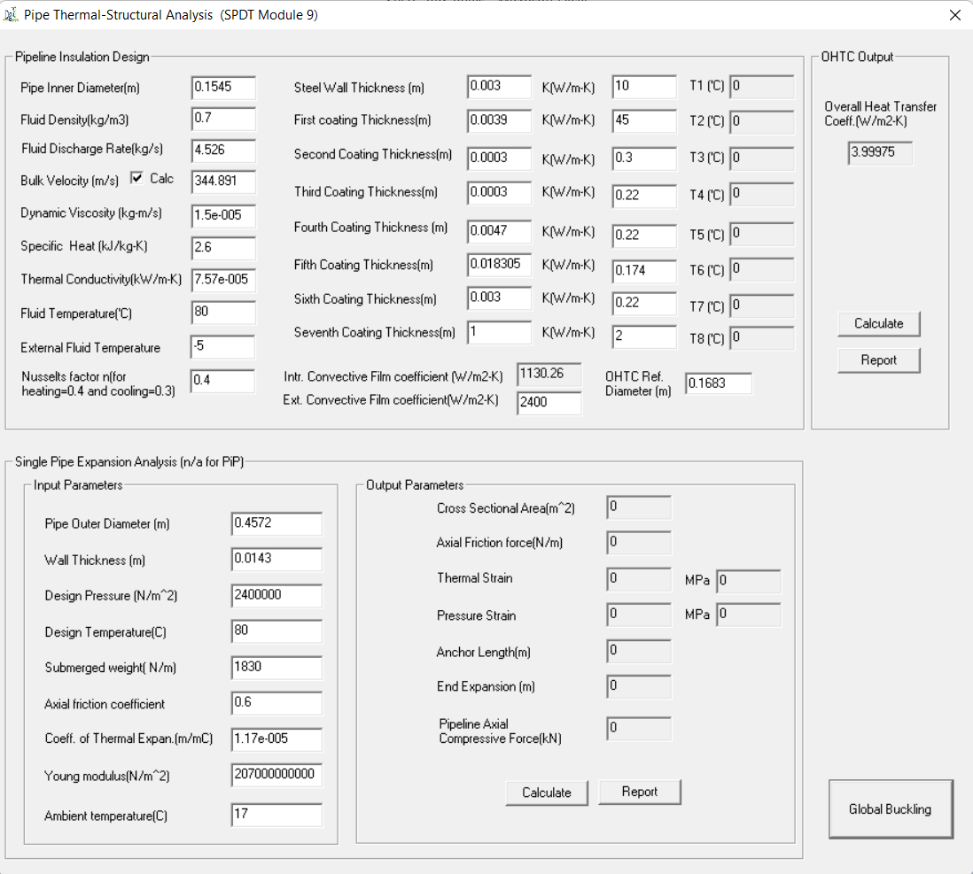
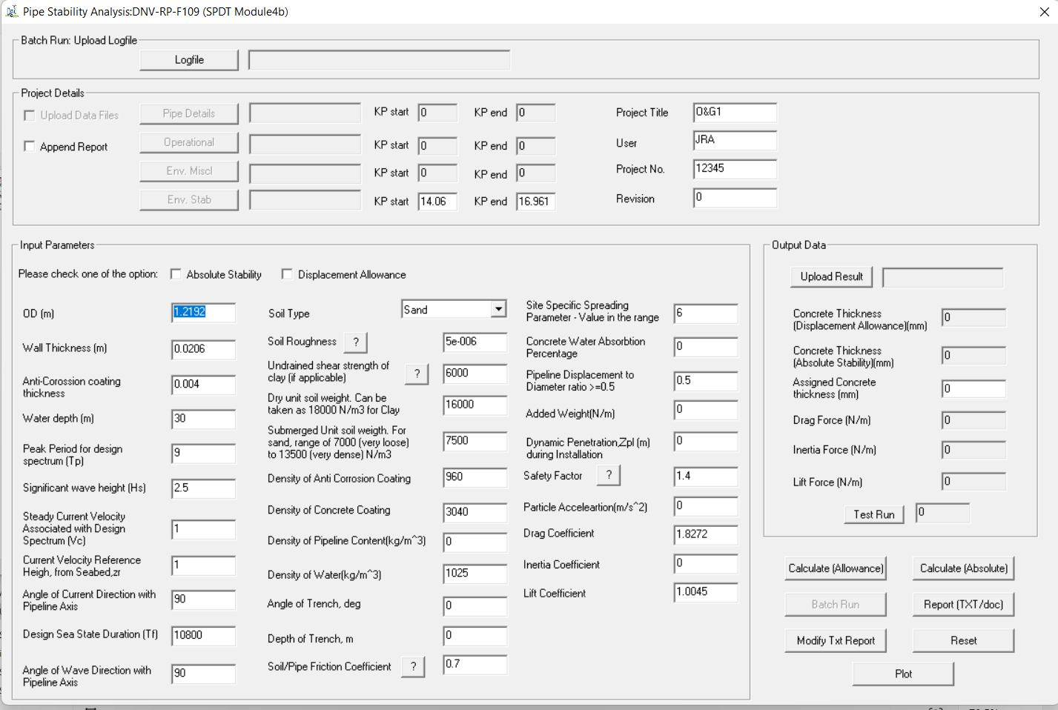
Subsea Pipe In-place Design

Use SPDT Follwing modules
Expansion and Global Buckling Assessment
Thermal Assessment
On Bottom Analysis
Free-Span Analysis
CP Design
OnBottom Roughness Assessment (FE based)
Advance Global Buckling Assessment(FE Based)

Subsea Pipeline Protection
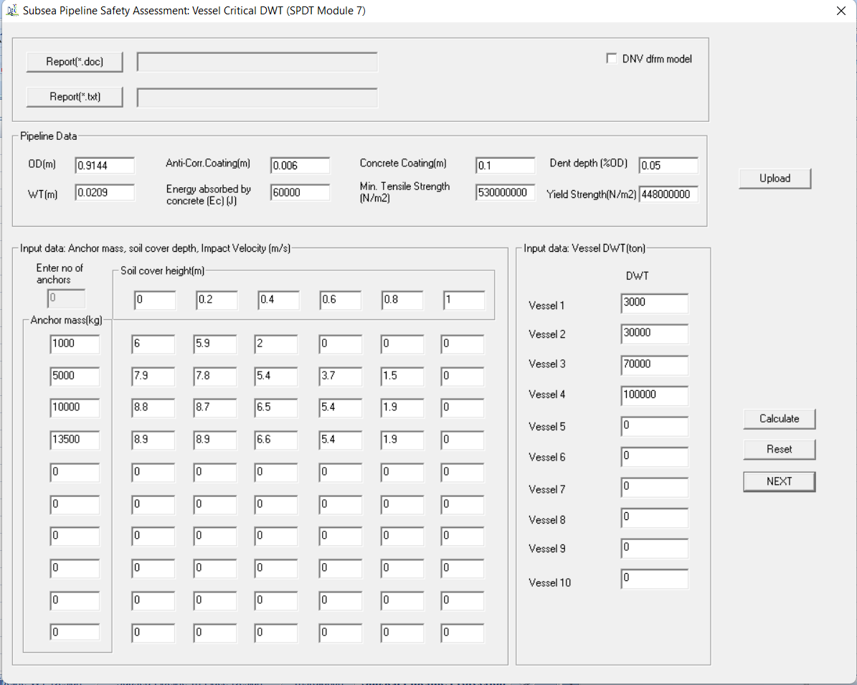
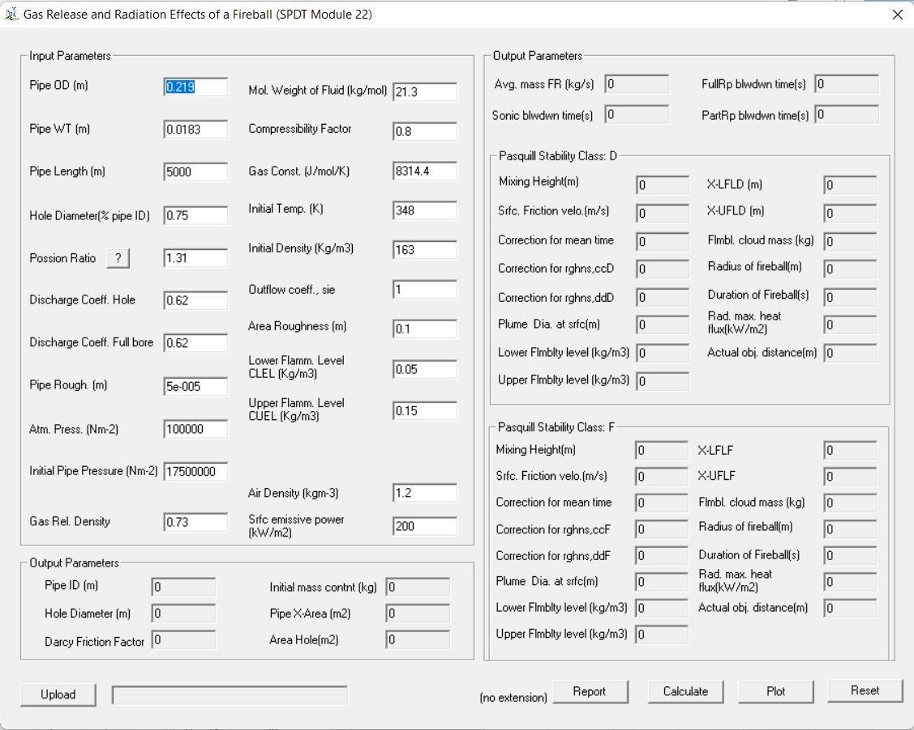
Subsea Pipeline Safety Assessment

Use SPDT Safety Assessment Modules

